ADMIN DASHBOARD
Date | Location/Workflow | Issue | Notes
7/27/2026 | Scraper Module | I need to be able to see the entire scraped gigs information before determining whether or not its spam or irrelevant

 | Gig Management | When do the gigs expire? We need to be able to set an expiration date so they can auto delete
 |  | This needs to be done for manually entered gigs as well

 | Notifications | I am not sure that this is working; I sent a few and I didn't receive anything in my "musician" or "organizer" account

 | Case Type throughout Admin Dash/Musician/Organizer App | Please make this uniform; Do NOT allow lowercase words (e.g. opelousas vs Opelousas) I want all words to begin with an uppercase letter

 | APP STORE ICONS

 |  | ONLYGIGZ-

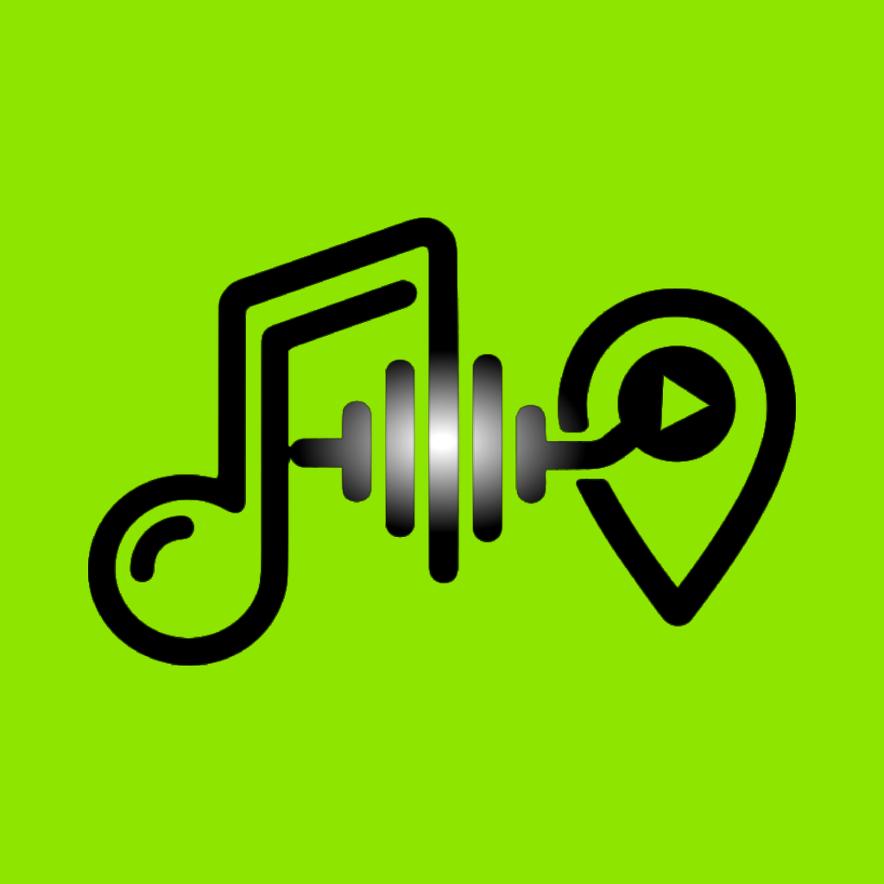

 | Black background + lime logo: OnlyGigz Entertainer | Lime background + black logo: OnlyGigz Organizer

 | For musicians, bands, DJs and performers | For venues, promoters and event hosts
 | Store subtitle: Find Gigs. Get Booked. | Store subtitle: Post Gigs. Book Talent.

MUSICIAN
Date | Location/Workflow | Issue | Notes
8/4/2026 | Calendar Availability | Calendar to show availability is missing. Organizers should be able to view whether or not they are booked on the app.
 |  | Musicians should be able to enter gigs that were booked outside of ONLYGIGZ-into their calendar
 |  | Calendar should be able to be synced with calendar on cell/google calendar
 | Calendar Sync | Calendar

 | Notifications | The notifications aren't clickable-this should be able to take you the part of the app that its for
 |  | e.g. New Gig Match
 |  | Marking "Read" doesn't work

 | Discover Gigs | Filter isn't working
 |  | DO NOT PUT THE SOURCE on the feed (Facebook, Craigslist, etc) for the musicians to see in their feed. Let's name these scraped gigs: Gig Lead | Will define what a gig lead is in FAQs

 | Messages | The Chat Bubbles need to be different colors and opposite sides of the screen (yall may have updated this already)

PROFILE CREATION | Profile
 | Genres | Make a Spot for Primary Genre: Allow the musician to pick up to 3 subgenres: Country Rock Pop Hip Hop R&B Jazz Blues Electronic Latin Gospel Cajun / Zydeco Swamp Pop Soul Other.....
 |  | Instruments- add "Skills"
 | Instruments/Skills | Instruments / Skills Vocals Guitar Bass Drums Piano / Keys Accordion Saxophone Violin Trumpet DJ MC Other...
 | Performance Type | Performance Type Data Field Needs to be added
 |  | Solo, Duo, Trio, Band (if band # of pieces), Other ________

 | Fee Range | Typical Fee Range per performance type (HOURLY RATE) (omit slider bar) Use Data Fields (round to whole numbers)
 |  | Solo
 |  | Duo
 |  | Full Band

 |  | Replace Years of Experience to Years Performing Professionally

 | Primary City: (primarily based) | City State Zip
 | Secondary City: (where you play second most often) | City State Zip
 | Distance willing to travel: (radius) | Miles radius
 | Banner Image: | No input to change this- where do we upload that image
 | Profile Image: | See below....
 | Applying to a Gig | Musician should have the ability to withdraw an application. They could mistakenly apply to one, etc

 |  | Delete Account Doesn't Work
 |  | Download Data Doesn't Work

 | Tags: | Allow musician to type in tags for their profile (example: vibe

 | Forgot Password? | Missing on login

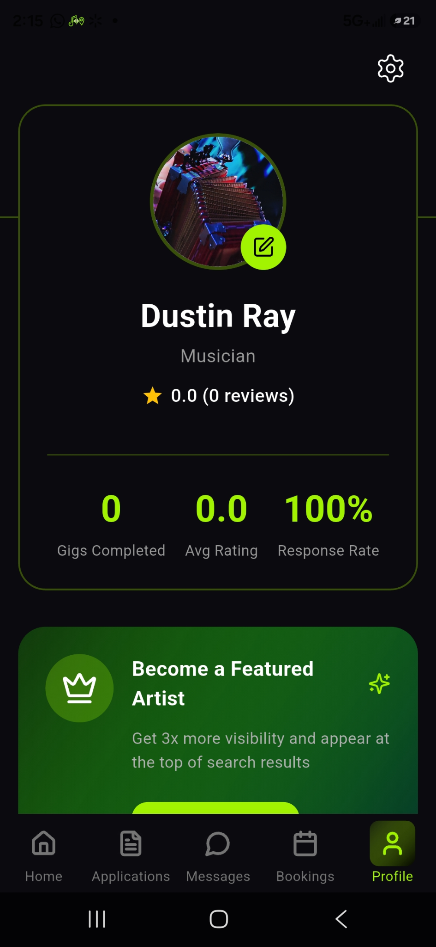

 |  | Profile Image: Missing ability to position the photo within the frame; Edit drag/zoom?
 |  | The clock, notifications, service stats on the phone aren't showing only the battery percentage.... other screens its shows not sure if you can fix that or it has to stay this way SEE GREEN ARROW

ORGANIZER
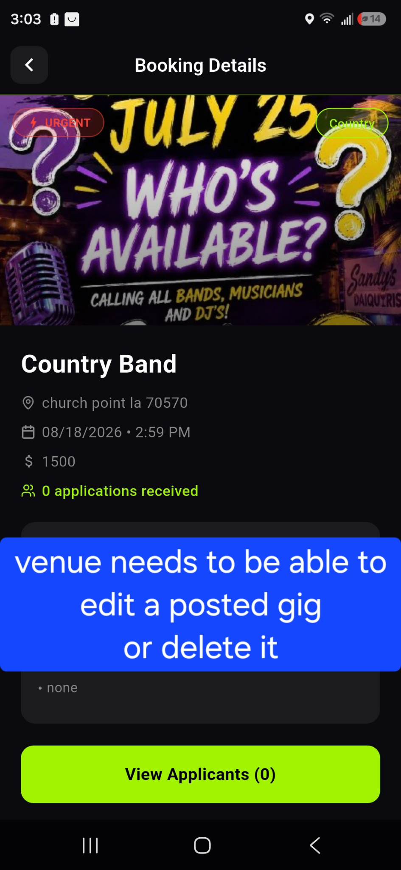
Date | Location/Workflow | Issue | Notes
7/27/2026 | Calendar | Calendar should be able to be synced with calendar on cell/google calendar
 |  | Organizers should be able to enter gigs that were booked outside of ONLYGIGZ-into their calendar
 | Calendar Sync

 | Search | Search Function
 |  | Organizers should be able to view all musicians on our platform (should be able to filter by genre and location)

 | Forgot Password? | Missing on login

GIG POSTING | All fields required unless indicated elsewhere | Can it be marked red the one they left off when trying to advance screens or post
 | Gig Title: | Instead of asking the venue to type a title, use the following to auto generate the title: Event Type Genre Performance Type Date

 | Preferred Genre(s): Select 1–3 genres. | Country Cajun / Zydeco Swamp Pop Rock Pop Hip Hop R&B Jazz Blues Electronic Latin Gospel/Christian Soul Other.....
 | Delete Description Box
 | Replace with the following fields
 | GIG DETAILS:
 | Event Type: (preferably drop down box--whatever is userfriendly and efficient) | Bar Nightclub Wedding Private party > Anniversay Birthday Corporate Holiday Beneft Fundraiser Restaurant Festival

 | Venue Type: | Indoor Outdoor Covered Outdoor Private residence Event Center

 | Perfomance Date & Time
 | Length of Performance | Must be able to enter (half hours-e.g. 1.5 for an hour and a half) Field should be in Hours

 | Breaks Allowed for a 2hr or more set... Yes/No | Yes 15 min break (Halfway 3HR Gig)
 |  | 30 min break (can be split into 2-15min breaks)

 | Type of Entertainer: | Solo > Acoustic (voice with a live instrument, usually guitar or keyboard) Full Production (bone performer using backing tracks with professional sound equipment for a full-band feel) Duo/Trio Full Band DJ

 | Public or Private Event | Can be radio buttons or drop down
 | Arrival/Load-in time
 | Location (Full address with Zip Required) | Can this be edited to pull the completed address when the first few characters are typed in?

 | Budget: | Max Allowed
 | Incentive: | Bar Tab Free Meal Other: _______________
 | Travel/lodging/meals included in Budget? | Yes or No
 | Expiration Date | Set to the date/time of gig... auto delete from feed

 | PA/Backline Provided? | Yes or No
 | Age Restriction? | 18+ or 21+ or No Age Restriction
 | Additional Details: | Create a text box for additional details (optional field) Any requests/Special Requirements
 |  | Light Show, etc

